Sheet1
Outstanding info | Reply 1 | Reply 2

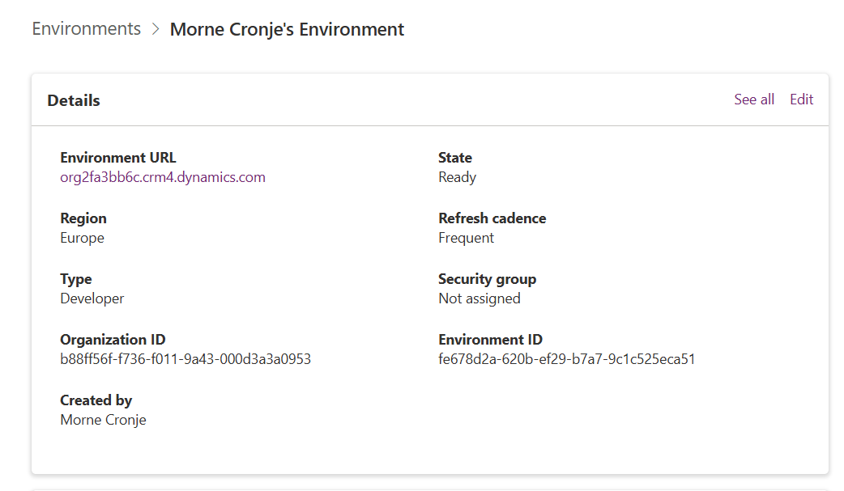
Provide actual Dataverse environment URL

Confirm SharePoint Site and Library URLs | Vendor 2 Data Approvals | https://ppetechcoza.sharepoint.com/sites/DocumentControl/Vendor%202%20Data%20Approvals/Forms/AllItems.aspx
 | PPE Data Approvals | https://ppetechcoza.sharepoint.com/sites/DocumentControl/PPE%20Data%20Approvals/Forms/AllItems.aspx
 | Fluor Vendor Data Approvals | https://ppetechcoza.sharepoint.com/sites/DocumentControl/Fluor%20Vendor%20Data%20Approvals/Forms/AllItems.aspx
 | Document Approval List | https://ppetechcoza.sharepoint.com/sites/DocumentControl/Lists/Document%20Approval%20List/AllItems.aspx

Export Sample Data for Missing Dataverse Tables | Flow Requests (PPE) | This is the only table used and was uploaded as CSV (datac.sv) | data.csv

Include Environment Variable Definition and Value
solution.xml references an environment variable (new_test, component type 62), but the definition and runtime value are not included. | Not used. Can exclude

Detail Required Security Roles and Service Principals |  | AIB Roles
 |  | org2fa3bb6c
 |  | Yes
 |  | 7/27/25
 |  | AIB SML Roles
 |  | org2fa3bb6c
 |  | Yes
 |  | 7/27/25
 | Role | App Deployment Orchestration Role
 | Business unit | org2fa3bb6c
 | Managed | Yes
 | Modified | 5/16/25
 | Role | App Opener
 | Business unit | org2fa3bb6c
 | Managed | Yes
 | Modified | 5/16/25
 | Role | Approvals Administrator
 | Business unit | org2fa3bb6c
 | Managed | Yes
 | Modified | 5/16/25
 | Role | Approvals User
 | Business unit | org2fa3bb6c
 | Managed | Yes
 | Modified | 5/16/25
 | Role | Async ingestion
 | Business unit | org2fa3bb6c
 | Managed | Yes
 | Modified | 5/16/25
 | Role | Basic User
 | Business unit | org2fa3bb6c
 | Managed | Yes
 | Modified | 7/27/25
 | Role | BizQAApp
 | Business unit | org2fa3bb6c
 | Managed | Yes
 | Modified | 8/5/25
 | Role | Bot Author
 | Business unit | org2fa3bb6c
 | Managed | Yes
 | Modified | 5/16/25
 | Role | Export Customizations (Solution Checker)
 | Business unit | org2fa3bb6c
 | Managed | Yes
 | Modified | 5/16/25
 | Role | Fabric AI Skill Role
 | Business unit | org2fa3bb6c
 | Managed | Yes
 | Modified | 5/16/25
 | Role | Federated Knowledge Role
 | Business unit | org2fa3bb6c
 | Managed | Yes
 | Modified | 5/16/25
 | Role | FileStoreService App Access
 | Business unit | org2fa3bb6c
 | Managed | Yes
 | Modified | 5/16/25
 | Role | Flow-CDS Native Connector Role
 | Business unit | org2fa3bb6c
 | Managed | Yes
 | Modified | 5/16/25
 | Role | Flow-RP Role
 | Business unit | org2fa3bb6c
 | Managed | Yes
 | Modified | 7/27/25
 | Role | Global Active Metrics Monitoring Alerting Custom Role
 | Business unit | org2fa3bb6c
 | Managed | Yes
 | Modified | 5/16/25
 | Role | Global Discovery Service Role
 | Business unit | org2fa3bb6c
 | Managed | Yes
 | Modified | 5/16/25
 | Role | Help Page Author
 | Business unit | org2fa3bb6c
 | Managed | Yes
 | Modified | 5/16/25
 | Role | Help Page Consumer
 | Business unit | org2fa3bb6c
 | Managed | Yes
 | Modified | 5/16/25
 | Role | Insights Apps Platform Role
 | Business unit | org2fa3bb6c
 | Managed | Yes
 | Modified | 5/16/25
 | Role | IntegratedSearchApp
 | Business unit | org2fa3bb6c
 | Managed | Yes
 | Modified | 5/16/25
 | Role | Knowledge Manager
 | Business unit | org2fa3bb6c
 | Managed | Yes
 | Modified | 5/16/25
 | Role | Knowledge Quality Service
 | Business unit | org2fa3bb6c
 | Managed | Yes
 | Modified | 7/20/25
 | Role | Microsoft Copilot Administrator
 | Business unit | org2fa3bb6c
 | Managed | Yes
 | Modified | 5/16/25
 | Role | Microsoft Copilot User
 | Business unit | org2fa3bb6c
 | Managed | Yes
 | Modified | 5/16/25
 | Role | Non-Relational Data App Access
 | Business unit | org2fa3bb6c
 | Managed | Yes
 | Modified | 5/16/25
 | Role | Office Collaborator
 | Business unit | org2fa3bb6c
 | Managed | Yes
 | Modified | 5/16/25
 | Role | Omnichannel CDS Flush Role
 | Business unit | org2fa3bb6c
 | Managed | Yes
 | Modified | 5/16/25
 | Role | Portal Application User
 | Business unit | org2fa3bb6c
 | Managed | Yes
 | Modified | 5/16/25
 | Role | Portal RP Service Role
 | Business unit | org2fa3bb6c
 | Managed | Yes
 | Modified | 5/16/25
 | Role | Power Apps Checker Service Role
 | Business unit | org2fa3bb6c
 | Managed | Yes
 | Modified | 5/16/25
 | Role | Power Automate AI Flows Application User
 | Business unit | org2fa3bb6c
 | Managed | Yes
 | Modified | 5/16/25
 | Role | Power BI Embedded App Access
 | Business unit | org2fa3bb6c
 | Managed | Yes
 | Modified | 5/16/25
 | Role | Power Platform Data Analytics Role
 | Business unit | org2fa3bb6c
 | Managed | Yes
 | Modified | 5/16/25
 | Role | Power Platform Dataflows Service Role
 | Business unit | org2fa3bb6c
 | Managed | Yes
 | Modified | 5/16/25
 | Role | Power Policy App User Role
 | Business unit | org2fa3bb6c
 | Managed | Yes
 | Modified | 5/16/25
 | Role | PowerAppsRPRole
 | Business unit | org2fa3bb6c
 | Managed | Yes
 | Modified | 5/16/25
 | Role | PowerPlatformInsightsRole
 | Business unit | org2fa3bb6c
 | Managed | Yes
 | Modified | 5/16/25
 | Role | Process Mining Application
 | Business unit | org2fa3bb6c
 | Managed | Yes
 | Modified | 6/14/25
 | Role | Process Mining User
 | Business unit | org2fa3bb6c
 | Managed | Yes
 | Modified | 5/16/25
 | Role | Project Background Services App Role
 | Business unit | org2fa3bb6c
 | Managed | Yes
 | Modified | 5/16/25
 | Role | Purview Label Role
 | Business unit | org2fa3bb6c
 | Managed | Yes
 | Modified | 5/16/25
 | Role | Report Service Role
 | Business unit | org2fa3bb6c
 | Managed | Yes
 | Modified | 5/16/25
 | Role | RPE Role
 | Business unit | org2fa3bb6c
 | Managed | Yes
 | Modified | 5/16/25
 | Role | Service Deleter
 | Business unit | org2fa3bb6c
 | Managed | Yes
 | Modified | 8/5/25
 | Role | Service Reader
 | Business unit | org2fa3bb6c
 | Managed | Yes
 | Modified | 8/5/25
 | Role | Service Writer
 | Business unit | org2fa3bb6c
 | Managed | Yes
 | Modified | 8/5/25
 | Role | Solution Checker
 | Business unit | org2fa3bb6c
 | Managed | Yes
 | Modified | 5/16/25
 | Role | SuggestedActionS2SRole
 | Business unit | org2fa3bb6c
 | Managed | Yes
 | Modified | 5/23/25
 | Role | Support User
 | Business unit | org2fa3bb6c
 | Managed | Yes
 | Modified | 5/16/25
 | Role | SupportUserCustomAPI Role
 | Business unit | org2fa3bb6c
 | Managed | Yes
 | Modified | 5/16/25
 | Role | Sustainability all - full access Role
 | Business unit | org2fa3bb6c
 | Managed | Yes
 | Modified | 5/16/25
 | Role | Sustainability all - ingest - full access Role
 | Business unit | org2fa3bb6c
 | Managed | Yes
 | Modified | 5/16/25
 | Role | Sustainability BusinessUnit - full access Role
 | Business unit | org2fa3bb6c
 | Managed | Yes
 | Modified | 5/16/25
 | Role | Sustainability BusinessUnit - ingest - full access Role
 | Business unit | org2fa3bb6c
 | Managed | Yes
 | Modified | 5/16/25
 | Role | Synapse Link Service Access
 | Business unit | org2fa3bb6c
 | Managed | Yes
 | Modified | 5/16/25
 | Role | System Administrator
 | Business unit | org2fa3bb6c
 | Managed | Yes
 | Modified | 5/16/25
 | Role | System Customizer
 | Business unit | org2fa3bb6c
 | Managed | Yes
 | Modified | 5/16/25
 | Role | Teams Chat Sync App Access
 | Business unit | org2fa3bb6c
 | Managed | Yes
 | Modified | 5/16/25
 | Role | Tour Author
 | Business unit | org2fa3bb6c
 | Managed | Yes
 | Modified | 5/16/25
 | Role | Tour Consumer
 | Business unit | org2fa3bb6c
 | Managed | Yes
 | Modified | 05/16/

etail Required Security Roles and Service Principals

